Listing content of pages 2-4
 |  | Rescue Sheet - identifying the expectations for page 2 to page 4

 | This table is for indication only. It was drafted to understand what are the expectations of the first responders for each type of Passenger Vehicles they can meet on the roads.
 | Protocol will be clear in the request of ALL the chapters being present in the rescue sheet, even if there is nothing specific to write in some of them
 | The table below distinguishes between type of models and lists some examples.
 | However, the exact content of each chapter is left to the OEM
 | The partition by columns following the propulsion energy may not be the unique way to separate the contents and this is why examples are given.
 | It is not possible today to list all the items of interest for the 1st and 2nd responders of future cars, and so this table is not meant to be exhaustive.

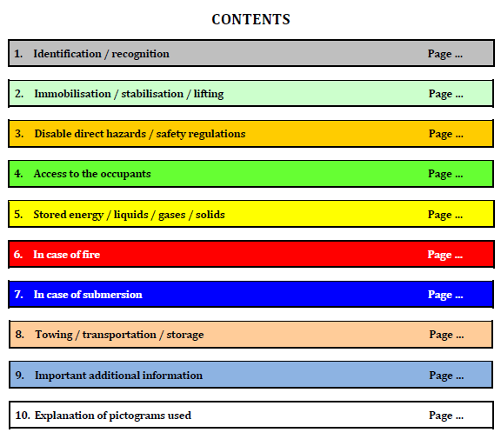
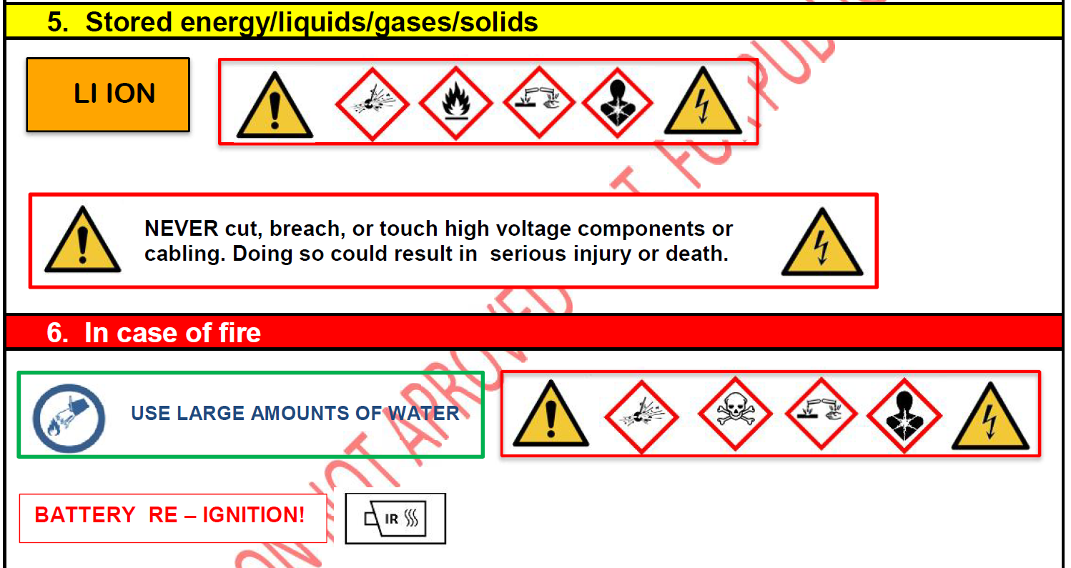
 | Chapter from ISO 17840-Part 3 | Specific subject in this chapter | Diesel | Gasoline | Gas, LPG, CNG | Cryogen LNG | Hydrogen | High Voltage | Stop and Start | Examples / Comments | Example for HV Vehicle of ALL the pictograms listed in ISO 17840 Part 3 for the additional pages of the rescue sheet | This table is based on the content of Part 3 and 4 of ISO 17840
content for page 2 to page 4 of Rescue Sheet | 1. Identification / recognition |  | O | O | M | M | M | M | M | e.g. Logo of the specific equipement (e.g. blue logo of the brand for the electric variant)
 | 2. Immobilisation / stabilisation / lifting | immobilisation | not linked to the propulsion energy. See examples |  |  |  |  |  |  | to describe how to stop the engine (key, smart key, button…)
 |  | stabilisation / lifting | O | O | M | M | M | M | M | to take care of the possible interference with high voltage battery or gas tank
 | 3. Disable direct hazards / safety regulations | service battery | not linked to the propulsion energy. See examples |  |  |  |  |  |  | for all types: to disable pyrotechnical equipments. For other than ICE: first action for disabling propulsion energy (to open the high voltage circuits or close the electrovalve)
 |  | propulsion battery / gaz tank | O | O | M | M | M | M | M | For other than ICE: complementary action for disabling propulsion energy (to isolate high voltage batteries or gaz tanks), PPE to be used type of battery e.g. Li-Ion, Mg...
 | 4. Access to the occupant |  | not linked to the propulsion energy. See examples |  |  |  |  |  |  | Laminated glass, retracting door handles
 | 5. Stored energy / liquids / gases / solids |  | M | M | M | M | M | M | M | Propulsion energy : batteries (li-ion, NimH, LMP…), gaz (H2,CNG…). What to do in case of broken batteries, electrolyte link, Gas link…
 |  |  | not only linked to the propulsion energy. See examples. But each propulsion energy has its set of pictorgam coming from ISO 17840 Part 3 that must be displayed in this chapter
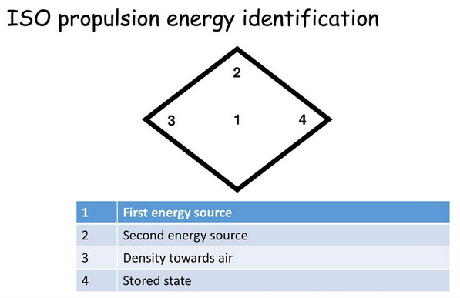
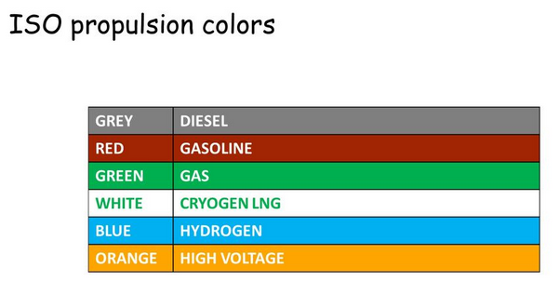
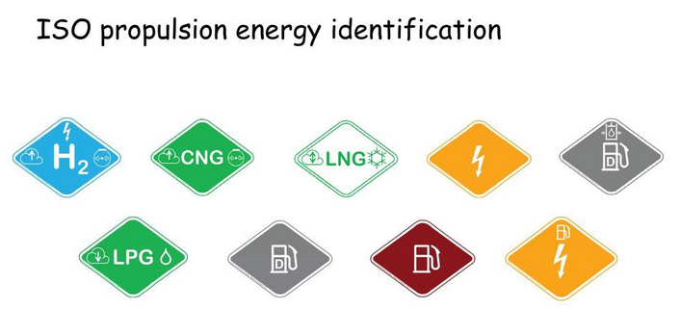
 | 6. In case of fire |  | M | M | M | M | M | M | M | How to manage with energy storage, in case of fire / including 48v li-ion batteries for example
 |  |  | not only linked to the propulsion energy. See examples. But each propulsion energy has its set of pictorgam coming from ISO 17840 Part 3 that must be displayed in this chapter |  |  |  |  |  |  | Including Carbon fibre, aluminium, magnesium, inflammable fluids etc / including hydraulic strut
 | 7. In case of submersion |  | O | O | M | M | M | M | M | Specific actions for rescuers in case of submersion ?
 | 8. Towing / transportation / storage |  | O | O | M | M | M | M | M
 |  |  | not only linked to the propulsion energy. See examples. But each propulsion energy has its set of pictorgam coming from ISO 17840 Part 3 that must be displayed in this chapter
 | 9. Important additional Information |  | M | M | M | M | M | M | M | for all the items that cannot be listed in the previous chapters
 | 10. Explanation of pictograms used |  | O | O | M | M | M | M | M | if not coming from the legend

 |  | O = Optional |  |  | M = mandatory

