2. Advanced speed limits
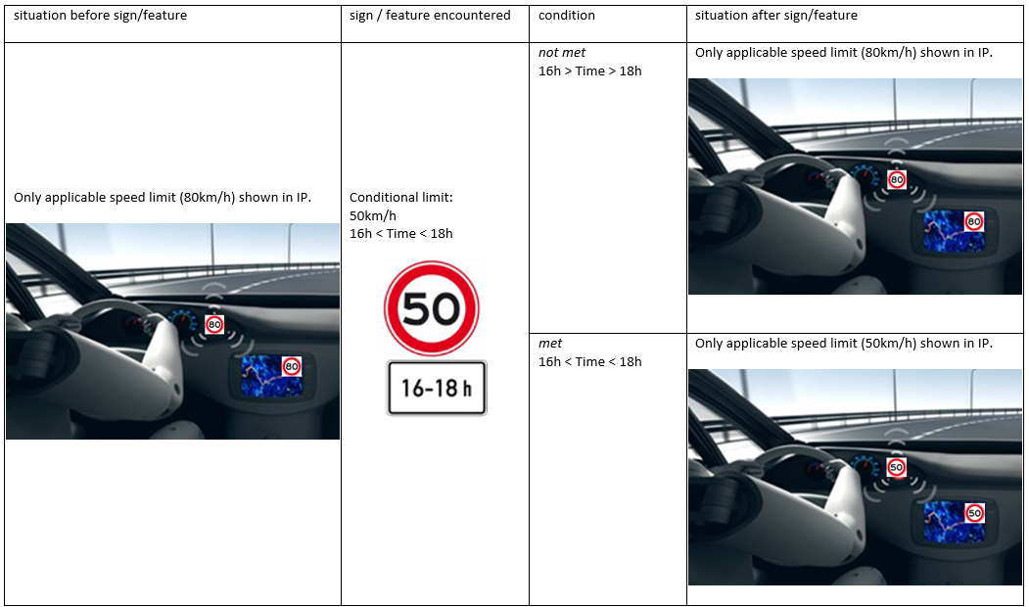
 |  | Validation |  |  | Vehicle response |  |  |  | Examples
 |  | Examples of covered/supported signs | Evidence supporting performance of "?" countries | Remarks | Situation before sign/feature | Sign/feature encountered | Condition | Situation after sign/feature
CONDITIONAL SPEED LIMITS | Rain/wetness (including implicit) |  |  |  |  |  | Met
 |  |  |  |  |  |  | Not met
 | Snow / icy |  |  |  |  |  | Met
 |  |  |  |  |  |  | Not met
 | Time / season |  |  |  |  |  | Met
 |  |  |  |  |  |  | Not met
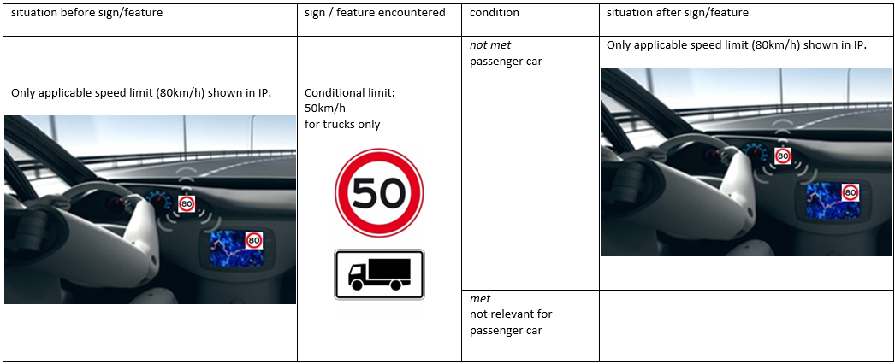
 | Distance for / in |  |  |  |  |  | Met
 |  |  |  |  |  |  | Not met
 | Non-lane relevant arrows |  |  |  |  |  | Met
 |  |  |  |  |  |  | Not met
 | Lane relevant arrows |  |  |  |  |  | Met
 |  |  |  |  |  |  | Not met
 | Vehicle categories |  |  |  |  |  | Met
 |  |  |  |  |  |  | Not met
IMPLICIT SPEED LIMITS | Highway / Motorway |  |  |  |  |  | Met
 |  |  |  |  |  |  | Not met
 | City Entry / Exit |  |  |  |  |  | Met
 |  |  |  |  |  |  | Not met
 | Residential zones |  |  |  |  |  | Met
 |  |  |  |  |  |  | Not met
DYNAMIC SPEED LIMITS | Non-lane relevant dynamic speed signs (including roadworks) |  |  |  |  |  | Met
 |  |  |  |  |  |  | Not met
 | Lane relevant dynamic speed signs (including roadworks) |  |  |  |  |  | Met
 |  |  |  |  |  |  | Not met

